Sheet1
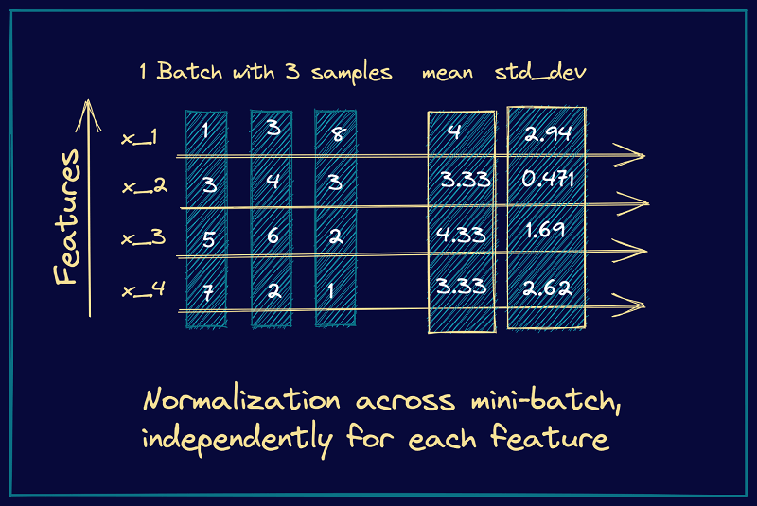
x1 | 1 | 3 | 8

 | average | 4
 | std | 2.9439202888

 | -1.0190493307 | -0.33968311024 | 1.358732441
Z = (x-mean)/std

 | 128

Sheet3
Gradient Descent
Overfitting

Stochastic Gradient Descent
batch size = 1
Time taken is very High

Mini Batch Gradient Descent
batch size = 32, 64, 128
Time reduced and Overfitting problem was resolved

Mini Batch Gradient Descent with Momentum
batch size = 32, 64, 128
Time reduced and Overfitting problem was resolved

Sheet2
Fitting your model on train data

Transform tne new data

